Picture
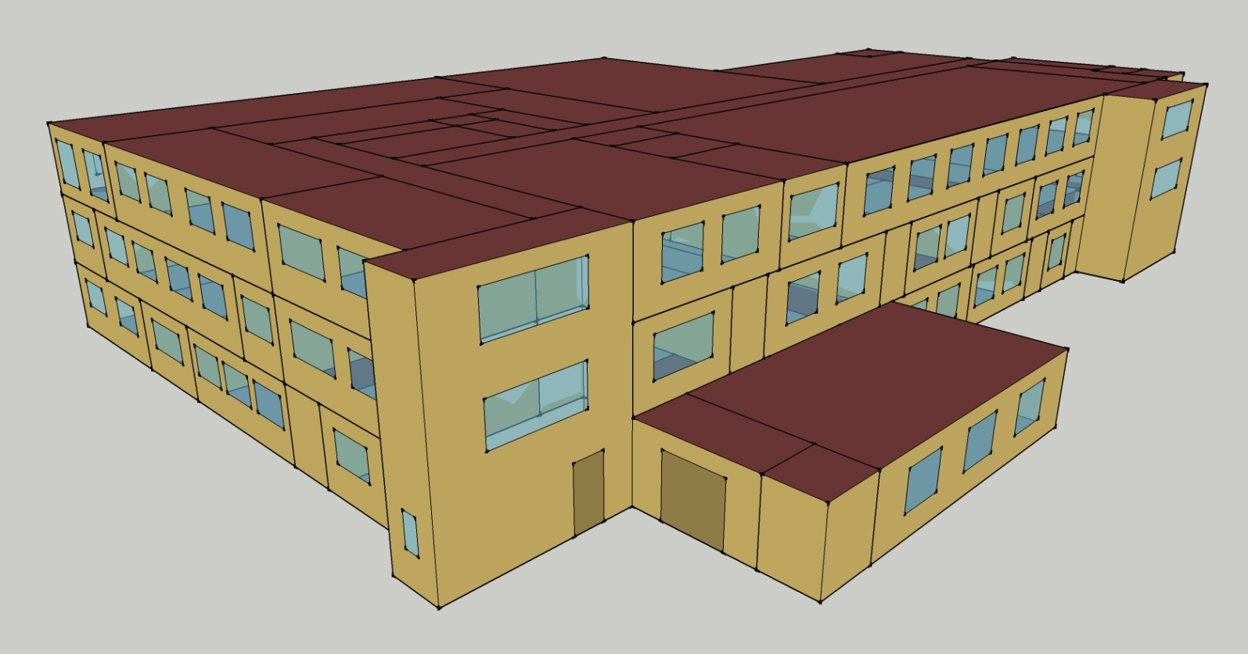
DOE Commercial Building Benchmark - Outpatient Health Care

Elec
 | Cooling | Interior Lighting | Exterior Lighting | Interior Equipment | Fans
Miami | 990,041.67 | 170,494.44 | 7,088.89 | 551,600.00 | 269,311.11
Houston | 829,136.11 | 170,494.44 | 7,086.11 | 551,600.00 | 269,419.44
Phoenix | 637,291.67 | 170,494.44 | 7,086.11 | 551,600.00 | 277,230.56
Atlanta | 623,805.56 | 170,494.44 | 7,083.33 | 551,600.00 | 270,477.78
Los Angeles | 494,494.44 | 170,494.44 | 7,080.56 | 551,600.00 | 258,611.11
Las Vegas | 457,761.11 | 170,494.44 | 7,077.78 | 551,600.00 | 275,738.89
San Francisco | 253,677.78 | 170,494.44 | 7,080.56 | 551,600.00 | 257,900.00
Baltimore | 536,036.11 | 170,494.44 | 7,077.78 | 551,600.00 | 265,000.00
Albuquerque | 303,577.78 | 170,494.44 | 7,080.56 | 551,600.00 | 303,419.44
Seattle | 197,050.00 | 170,494.44 | 7,066.67 | 551,600.00 | 260,486.11
Chicago | 320,291.67 | 170,494.44 | 7,077.78 | 551,600.00 | 263,250.00
Boulder | 225,980.56 | 170,494.44 | 7,075.00 | 551,600.00 | 296,663.89
Minneapolis | 292,063.89 | 170,494.44 | 7,072.22 | 551,600.00 | 264,669.44
Helena | 160,733.33 | 170,494.44 | 7,072.22 | 551,600.00 | 283,930.56
Duluth | 156,475.00 | 170,494.44 | 7,066.67 | 551,600.00 | 263,422.22
Fairbanks | 99,111.11 | 170,494.44 | 7,025.00 | 551,600.00 | 265,352.78

Gas
 | Heating | Water Systems
Miami | 4,600,670.00 | 35,250.00
Houston | 4,876,050.00 | 40,670.00
Phoenix | 4,850,510.00 | 37,520.00
Atlanta | 5,056,160.00 | 45,910.00
Los Angeles | 4,976,400.00 | 44,900.00
Las Vegas | 4,680,300.00 | 41,310.00
San Francisco | 5,161,920.00 | 49,380.00
Baltimore | 5,255,210.00 | 50,010.00
Albuquerque | 4,732,340.00 | 49,220.00
Seattle | 5,229,720.00 | 52,160.00
Chicago | 5,304,980.00 | 53,610.00
Boulder | 4,804,140.00 | 53,450.00
Minneapolis | 5,617,340.00 | 56,740.00
Helena | 5,191,320.00 | 57,310.00
Duluth | 5,720,620.00 | 61,890.00
Fairbanks | 7,177,150.00 | 68,130.00

EUI
 | Cooling (elec) | Interior Lighting (elec) | Exterior Lighting (elec) | Interior Equipment (elec) | Fans (elec) | Heating (gas) | Water Systems (gas)
Miami | 936.95 | 161.35 | 6.71 | 522.02 | 254.87 | 1209.43 | 9.27
Houston | 784.67 | 161.35 | 6.71 | 522.02 | 254.97 | 1281.82 | 10.69
Phoenix | 603.11 | 161.35 | 6.71 | 522.02 | 262.36 | 1275.10 | 9.86
Atlanta | 590.35 | 161.35 | 6.70 | 522.02 | 255.97 | 1329.17 | 12.07
Los Angeles | 467.97 | 161.35 | 6.70 | 522.02 | 244.74 | 1308.20 | 11.80
Las Vegas | 433.21 | 161.35 | 6.70 | 522.02 | 260.95 | 1230.36 | 10.86
San Francisco | 240.07 | 161.35 | 6.70 | 522.02 | 244.07 | 1356.97 | 12.98
Baltimore | 507.29 | 161.35 | 6.70 | 522.02 | 250.79 | 1381.49 | 13.15
Albuquerque | 287.30 | 161.35 | 6.70 | 522.02 | 287.15 | 1244.04 | 12.94
Seattle | 186.48 | 161.35 | 6.69 | 522.02 | 246.52 | 1374.79 | 13.71
Chicago | 303.11 | 161.35 | 6.70 | 522.02 | 249.13 | 1394.58 | 14.09
Boulder | 213.86 | 161.35 | 6.70 | 522.02 | 280.75 | 1262.91 | 14.05
Minneapolis | 276.40 | 161.35 | 6.69 | 522.02 | 250.48 | 1476.69 | 14.92
Helena | 152.11 | 161.35 | 6.69 | 522.02 | 268.70 | 1364.70 | 15.07
Duluth | 148.08 | 161.35 | 6.69 | 522.02 | 249.29 | 1503.84 | 16.27
Fairbanks | 93.80 | 161.35 | 6.65 | 522.02 | 251.12 | 1886.73 | 17.91

Water
 | Total Building | Water for Electricity (m3)
Miami | 243.08 | 1,068.87
Houston | 286.54 | 3,138.50
Phoenix | 539.94 | 57,293.30
Atlanta | 381.97 | 11,322.20
Los Angeles | 341.07 | 28,212.30
Las Vegas | 821.69 | 53,798.80
San Francisco | 307.40 | 24,351.20
Baltimore | 449.63 | 410.38
Albuquerque | 887.32 | 8,652.74
Seattle | 417.86 | 14,799.30
Chicago | 600.23 | 2,657.74
Boulder | 901.23 | 8,380.55
Minneapolis | 638.58 | 2,695.43
Helena | 885.13 | 113,728.00
Duluth | 730.88 | 2,616.82
Fairbanks | 888.30 | 1,862.65

Carbon
 | Carbon Equivalent (kg)
Miami | 640,337.15
Houston | 735,455.58
Phoenix | 673,792.82
Atlanta | 653,995.90
Los Angeles | 281,727.90
Las Vegas | 749,945.25
San Francisco | 259,454.33
Baltimore | 586,834.03
Albuquerque | 868,037.01
Seattle | 204,145.72
Chicago | 1,013,350.00
Boulder | 844,920.81
Minneapolis | 700,406.75
Helena | 754,146.94
Duluth | 685,018.54
Fairbanks | 647,053.48

LghtSch
Lighting Schedules
 | Weekdays | Saturday | Sun, Hol, Other
 | 0.1 | 0.1 | 0.05
 | 0.1 | 0.1 | 0.05
 | 0.1 | 0.1 | 0.05
 | 0.1 | 0.1 | 0.05
 | 0.3 | 0.1 | 0.05
 | 0.3 | 0.1 | 0.05
 | 0.6 | 0.1 | 0.05
 | 0.9 | 0.3 | 0.05
 | 0.9 | 0.3 | 0.1
 | 0.9 | 0.4 | 0.1
 | 0.9 | 0.4 | 0.1
 | 0.9 | 0.4 | 0.1
 | 0.9 | 0.4 | 0.1
 | 0.9 | 0.4 | 0.1
 | 0.9 | 0.4 | 0.1
 | 0.9 | 0.3 | 0.1
 | 0.9 | 0.3 | 0.1
 | 0.9 | 0.3 | 0.05
 | 0.6 | 0.3 | 0.05
 | 0.6 | 0.3 | 0.05
 | 0.3 | 0.1 | 0.05
 | 0.3 | 0.1 | 0.05
 | 0.1 | 0.1 | 0.05
 | 0.1 | 0.1 | 0.05

EqpSch
Equipment Schedules
 | Weekdays | Saturday | Sun, Hol, Other
 | 0.3 | 0.3 | 0.3
 | 0.3 | 0.3 | 0.3
 | 0.3 | 0.3 | 0.3
 | 0.3 | 0.3 | 0.3
 | 0.5 | 0.3 | 0.3
 | 0.5 | 0.3 | 0.3
 | 1 | 0.3 | 0.3
 | 1 | 0.5 | 0.3
 | 1 | 0.5 | 0.5
 | 1 | 0.8 | 0.5
 | 1 | 0.8 | 0.5
 | 1 | 0.8 | 0.5
 | 1 | 0.8 | 0.5
 | 1 | 0.8 | 0.5
 | 1 | 0.8 | 0.5
 | 1 | 0.5 | 0.5
 | 1 | 0.5 | 0.5
 | 1 | 0.5 | 0.3
 | 0.5 | 0.5 | 0.3
 | 0.5 | 0.5 | 0.3
 | 0.3 | 0.3 | 0.3
 | 0.3 | 0.3 | 0.3
 | 0.3 | 0.3 | 0.3
 | 0.3 | 0.3 | 0.3

OccSch
Occupancy Schedules
 | Weekdays | Saturday | Sun, Hol, Other
 | 0.05 | 0.05 | 0
 | 0.05 | 0.05 | 0
 | 0.05 | 0.05 | 0
 | 0.05 | 0.05 | 0
 | 0.2 | 0.05 | 0
 | 0.2 | 0.05 | 0
 | 0.5 | 0.05 | 0
 | 0.9 | 0.2 | 0
 | 0.9 | 0.2 | 0.05
 | 0.9 | 0.3 | 0.05
 | 0.9 | 0.3 | 0.05
 | 0.9 | 0.3 | 0.05
 | 0.9 | 0.3 | 0.05
 | 0.9 | 0.3 | 0.05
 | 0.9 | 0.3 | 0.05
 | 0.9 | 0.2 | 0.05
 | 0.9 | 0.2 | 0.05
 | 0.9 | 0.2 | 0
 | 0.5 | 0.2 | 0
 | 0.5 | 0.2 | 0
 | 0.2 | 0.05 | 0
 | 0.2 | 0.05 | 0
 | 0.05 | 0.05 | 0
 | 0.05 | 0.05 | 0

HeatSch
Heating Set Point Schedules
 | Weekdays | Saturday | Sun, Hol, Other
 | 18.3 | 18.3 | 18.3
 | 18.3 | 18.3 | 18.3
 | 18.3 | 18.3 | 18.3
 | 18.3 | 18.3 | 18.3
 | 18.3 | 18.3 | 18.3
 | 21.1 | 18.3 | 18.3
 | 21.1 | 18.3 | 18.3
 | 21.1 | 21.1 | 18.3
 | 21.1 | 21.1 | 18.3
 | 21.1 | 21.1 | 18.3
 | 21.1 | 21.1 | 18.3
 | 21.1 | 21.1 | 18.3
 | 21.1 | 21.1 | 18.3
 | 21.1 | 21.1 | 18.3
 | 21.1 | 21.1 | 18.3
 | 21.1 | 18.3 | 18.3
 | 21.1 | 18.3 | 18.3
 | 21.1 | 18.3 | 18.3
 | 18.3 | 18.3 | 18.3
 | 18.3 | 18.3 | 18.3
 | 18.3 | 18.3 | 18.3
 | 18.3 | 18.3 | 18.3
 | 18.3 | 18.3 | 18.3
 | 18.3 | 18.3 | 18.3

CoolSch
Cooling Set Point Schedules
 | Weekdays | Saturday | Sun, Hol, Other
 | 25 | 25 | 25
 | 25 | 25 | 25
 | 25 | 25 | 25
 | 25 | 25 | 25
 | 25 | 25 | 25
 | 22.2 | 25 | 25
 | 22.2 | 25 | 25
 | 22.2 | 22.2 | 25
 | 22.2 | 22.2 | 25
 | 22.2 | 22.2 | 25
 | 22.2 | 22.2 | 25
 | 22.2 | 22.2 | 25
 | 22.2 | 22.2 | 25
 | 22.2 | 22.2 | 25
 | 22.2 | 22.2 | 25
 | 22.2 | 25 | 25
 | 22.2 | 25 | 25
 | 22.2 | 25 | 25
 | 25 | 25 | 25
 | 25 | 25 | 25
 | 25 | 25 | 25
 | 25 | 25 | 25
 | 25 | 25 | 25
 | 25 | 25 | 25

